Sheet4
Description | System Location | Heuristic
This button should be green | Bisq 2 Introduction screen | 4. Consistency and Standards
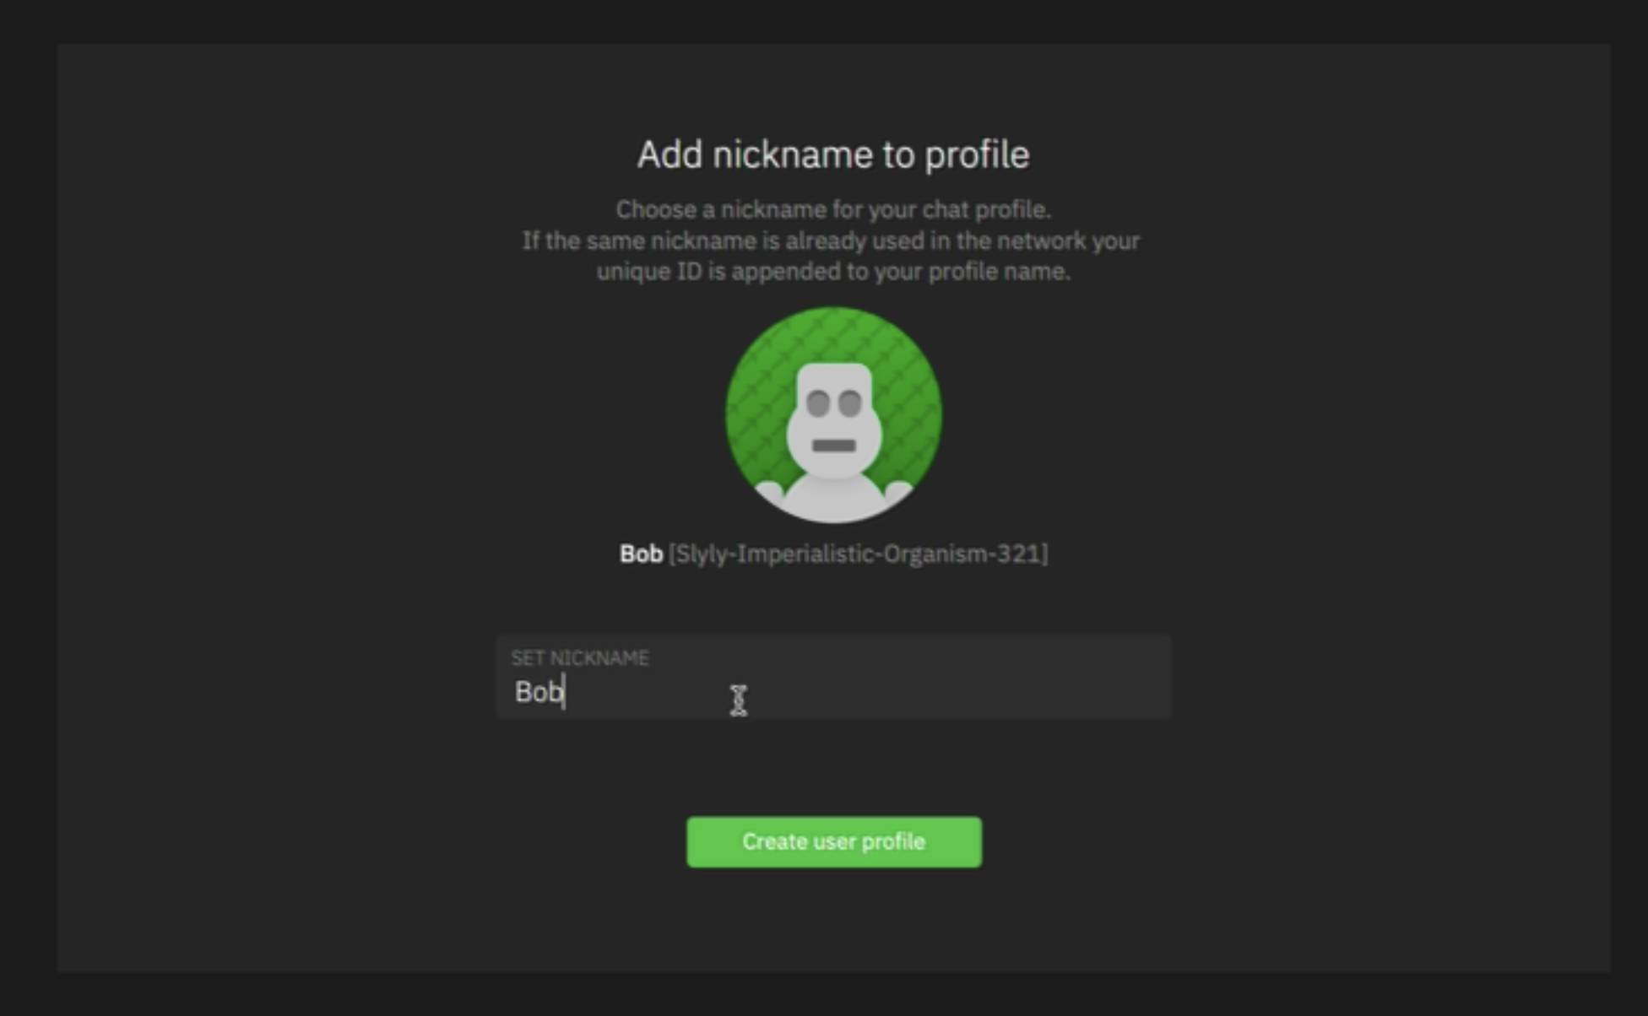 Text box field requires a border | Profile screen | 4 .Consistency and Standards
Top right of the Overlay within 'Bisq Easy; navigation | Top right of 'Creater Offer' screen | 4 .Consistency and Standards
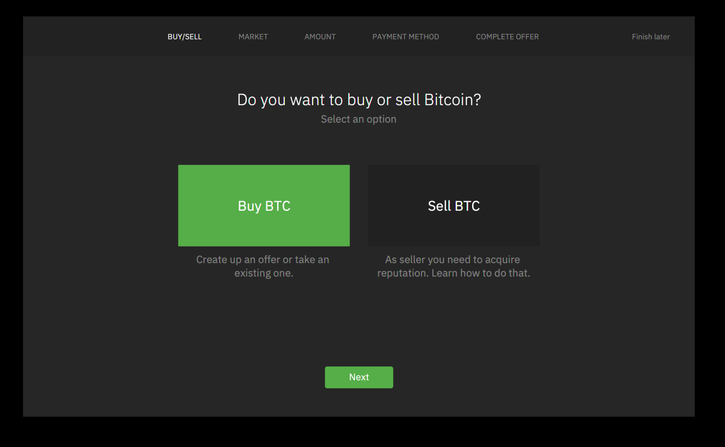 > Buy option should be deselected . > Options should be consistent with all selection option elements. > Corners require rounding | Buy/Sell tab in 'Create Offer' screen | 4 .Consistency and Standards
Removal of the 'Next' button | Buy/Sell tab in 'Create Offer' screen | 8. Aesthetic and Minimalist Desugn
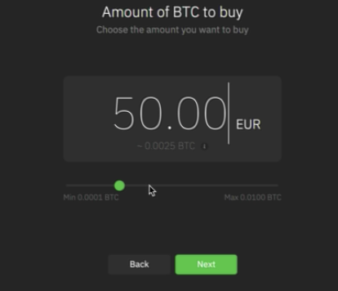 Add input field for users to enter BTC amount | Amount tab in 'Create Ofeer' screen | 4 .Consistency and Standards 8.Aesthetic and Minimalist Design
Relocation of the 'Back' button to top left | All tabs in '`Create Offer' Screen | 8 .Aesthetic and Minimalist Design
User should be directed to next screen once 'select' is clicked Optional: change text 'select' | Under Market tab in 'Create Offer' Screen | 4 .Aethetic and Minimalist Design
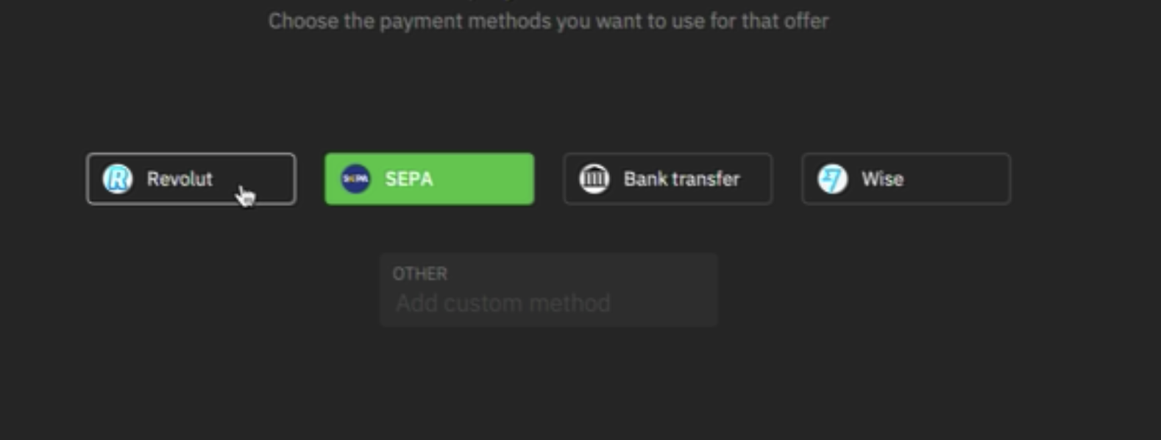 Create a standard for 'optional' selections, it currently replicates CTA buttons | Under Payment Method tab in Create Offer' screen | 4 .Consistency and Standards
Text field appears greyed out and unclear | Under Payment Method tab in Create Offer' screen | 4 .Consistency and Standards 6. Recognition rather than recall
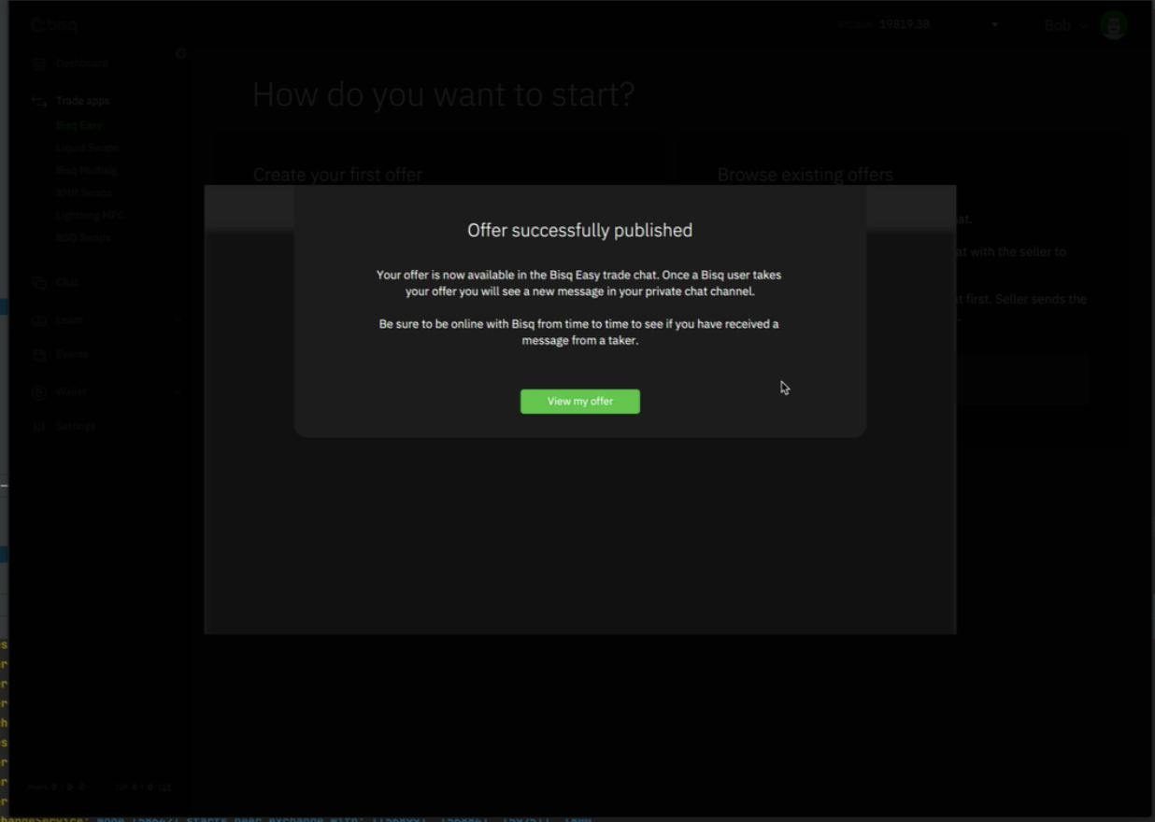 Inform users that they are about to enter Bisq chatroom | Under 'Complete Offer' tab | 1. Visibility of System status
Create a standard for greyed out button | Profile screen | 4 .Consistency and Standards

